Content Page
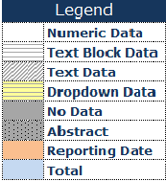

Annual return for companies not having share capital - 1.0
Content Page

General
Filing Information

Notes
SECTION A:Particulars of company
SECTION B: Particulars of indebtedness
SECTION C: Particulars of Directors, Managers, Secretaries and Auditors
SECTION D: Particulars of members
SECTION E: Certificate to be given by all companies

